Instructions
 | GovRAMP Significant Change Request form for all GovRAMP Verified Statuses

Template Version History
Date | Description | Version | Author
2025-06-12 | Initial Version | 1.0 | GovRAMP PMO

Overview
This form is a required document to fill out when a Service Provider is determining if it is necessary to submit the Significant Change Form for a change that is planned to be implemented. The SCR Checklist tab must be completed. That tab will determine whether the SCR Form tab needs to be filled out and submitted.

Instructions
• Utilize the SCR Checklist to determine how to proceed with the Change in question • Once the checklist provides the next steps, follow those instructions to complete the process • Regardless of the next steps, the Service Provider needs to save this entire form for their records and future assessments (in the ConMon folder in Box.com) Note: If the Service Provider is submitting an SCR for the GovRAMP Core verified status, then the GovRAMP PMO will also assume the role of the 3PAO.

Guidance Flow Chart
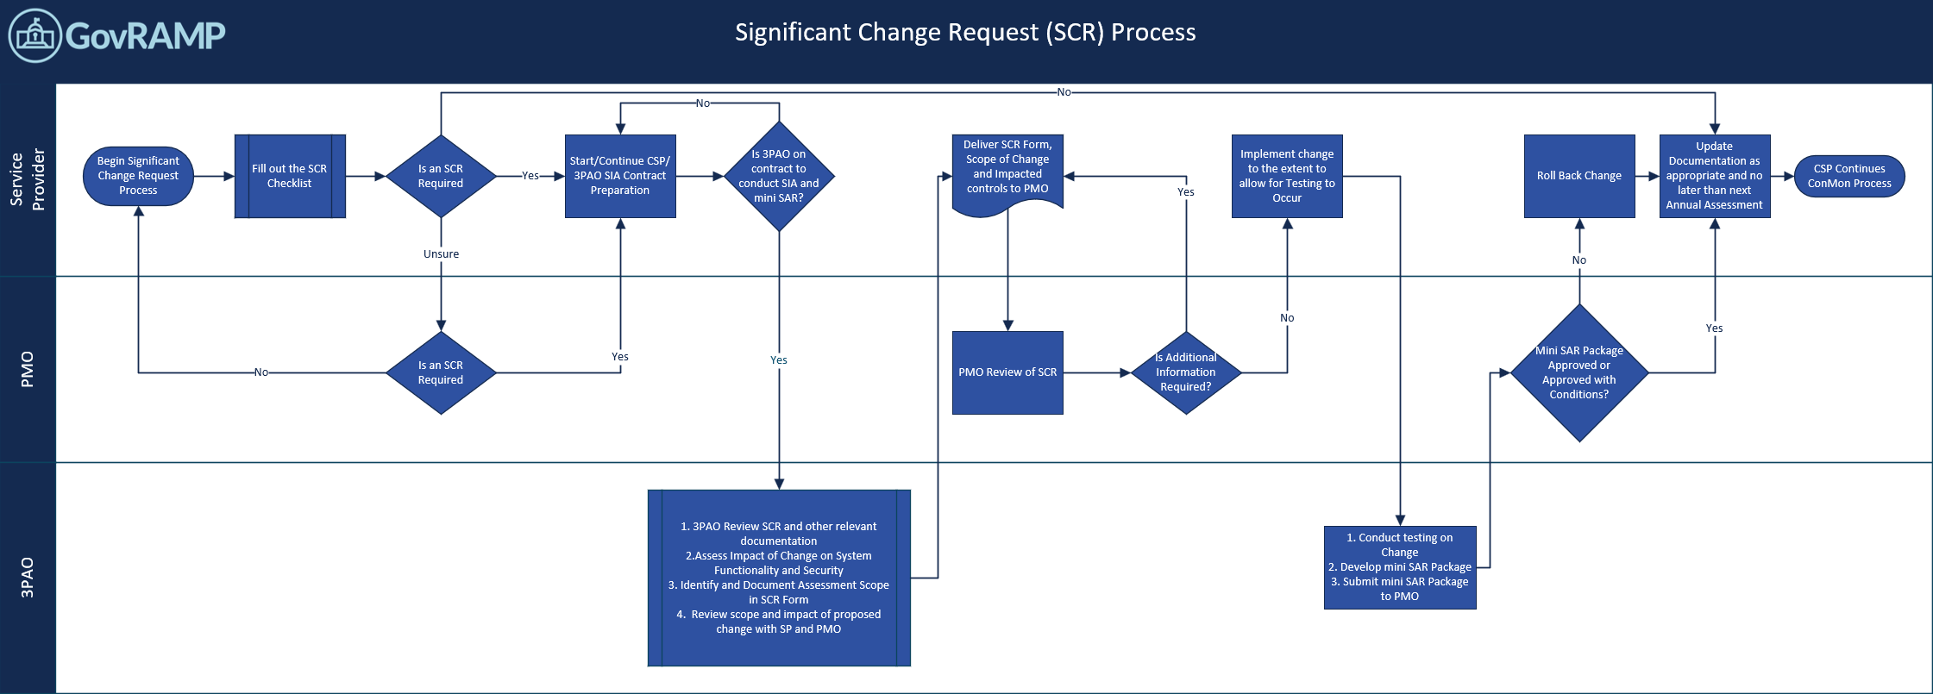

The Significant Change Request (SCR) Process is a structured workflow designed to evaluate, approve, and implement major changes within a project. It involves collaboration across three key roles: the Service Provider (SP), the GovRAMP Program Management Office (PMO), and the Third Party Assessing Organization (3PAO). The Significant Change (SCR) Process flow chart intends to simplify and clearly point all parties in the right direction regarding the initial and next steps in the GovRAMP significant change process. It begins with the Service Provider utilizing the Significat Change Request Checklist and a submitted change request (if necessary) and proceeds through initial 3PAO scoping and analysis of impact. The process includes checkpoints for validating the request, assessing impacts on the system, schedule, and determining whether the change is viable within the GovRAMP parameters. If validated and agreed upon by the 3PAO, changes are implemented with GovRAMP PMO sign-off. If rejected by the 3PAO or GovRAMP PMO, the Service Provider is notified. The process emphasizes structured evaluation, traceability, and collaboration to ensure only well-justified changes move forward. Note: If the Service Provider is submitting an SCR for the GovRAMP Core verified status, then the GovRAMP PMO will also assume the role of the 3PAO.

